3. example
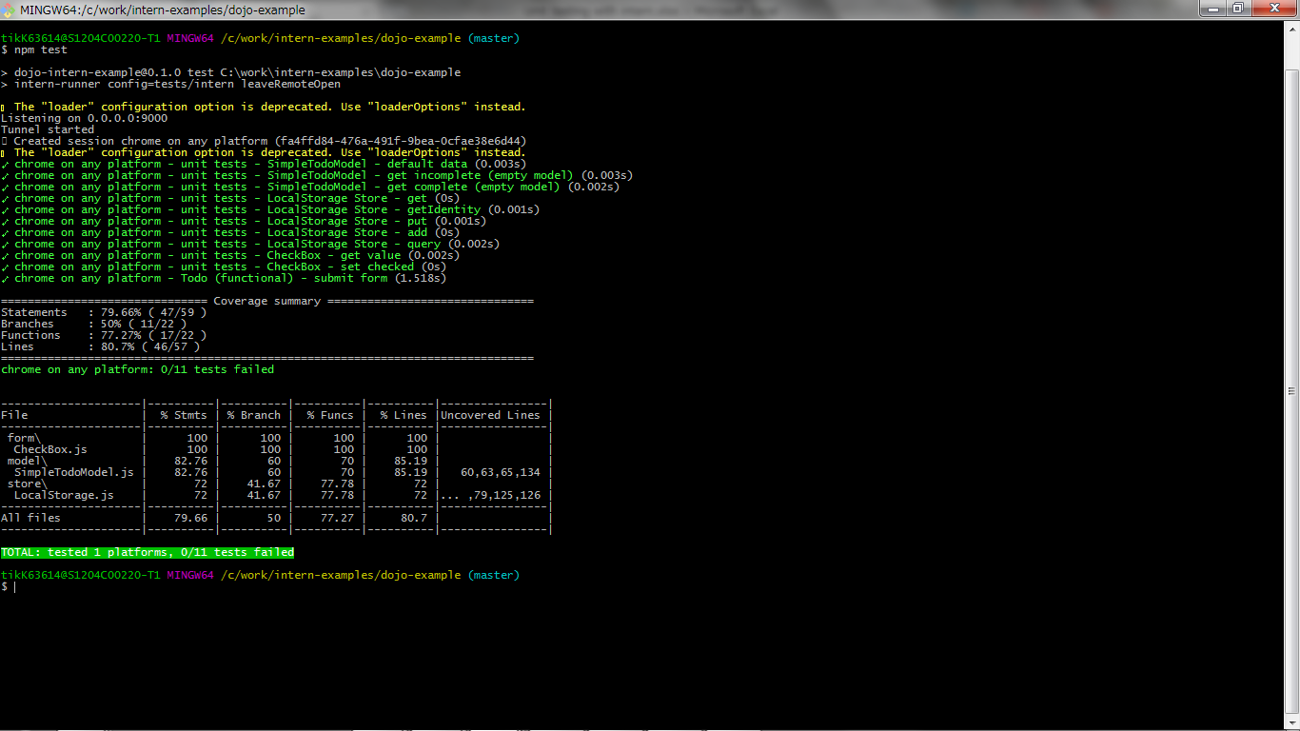
プロジェクト名 |  |  |  |  |  | ドキュメント名 | 作成日 | 作成者 | 更新日 | 更新者
 |  |  |  |  |  | Testing with intern | 2016-08-16 | 李 紅旺

 | 3. example using intern to test dojo widget

 |  | 3.1. selenium server

 |  |  | a .download the selenium standalone server: http://selenium-release.storage.googleapis.com/index.html?path=3.0-beta2/

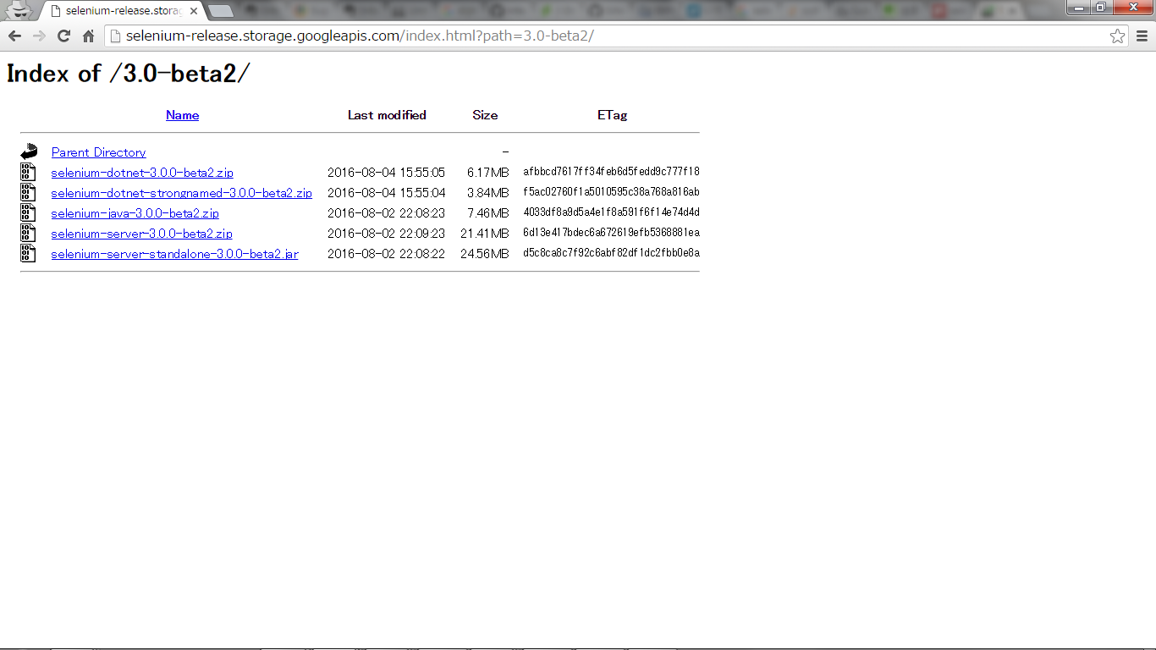

 |  |  | b. start selenium server

 |  |  |  | java -jar selenium-server-standalone-3.0.0-beta2.jar

 |  | 3.2. install selenium webdriver

 |  |  | npm install selenium-webdriver -g

 |  | 3.3. testing example widgets

 |  |  | 3.3.1. clone example

 |  |  |  | git clone https://github.com/theintern/intern-examples

 |  |  | 3.3.2. test dojo example

 |  |  |  | a. install packages

 |  |  |  |  | cd intern-examples/dojo-example

 |  |  |  |  | npm install -g bower

 |  |  |  |  | npm install

 |  |  |  | b. test

 |  |  |  |  | npm test (intern-runner config=tests/intern)

 |  |  |  |  | Test results will be displayed in the terminal after the tests have run.

 |  |  |  |  | If you need to keep the browser window open after tests have completed, you can user the leaveRemoteOpten option:

 |  |  |  |  | intern-runner config=tests/intern leaveRemoteOpen

 |  |  |  | c. test results:

 |  |  |  |  | failure
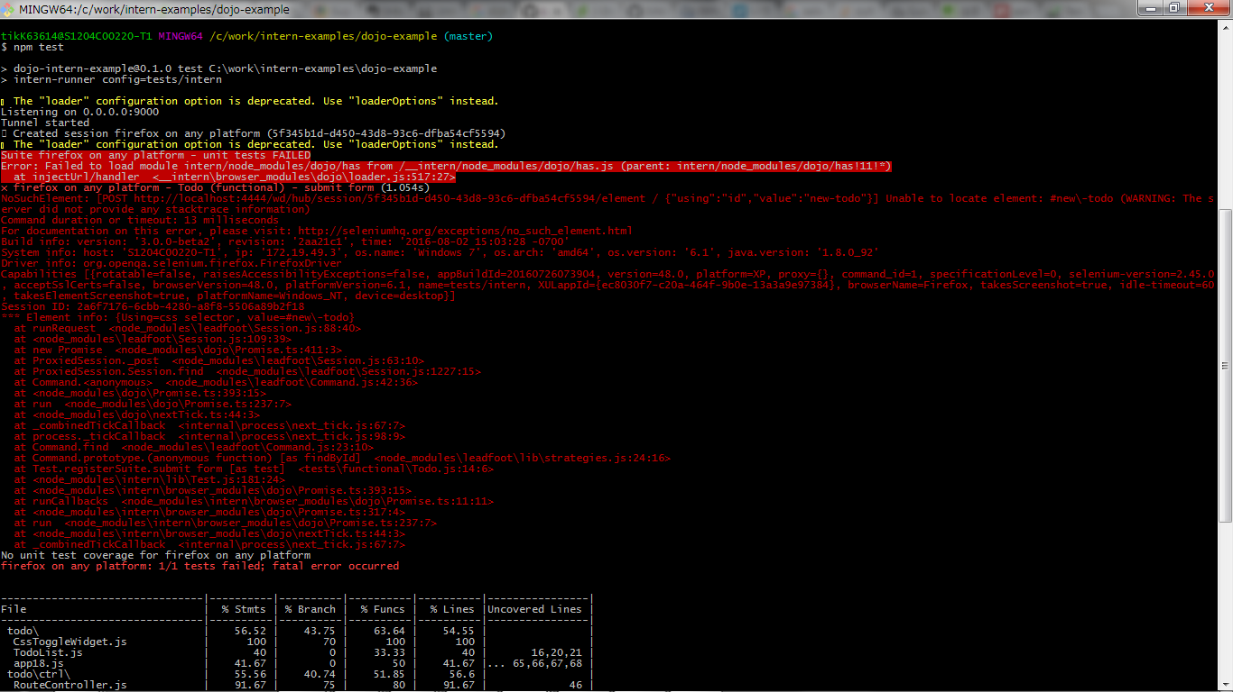

 |  |  |  |  | success

